Metadata
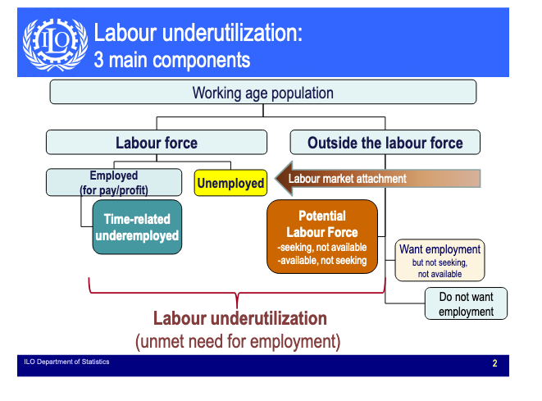
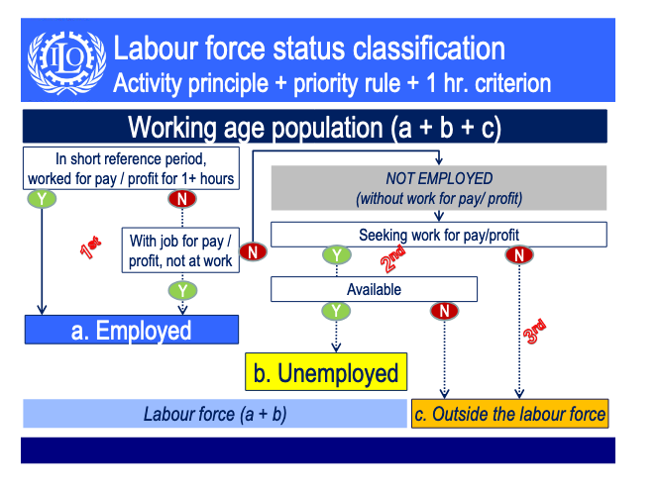
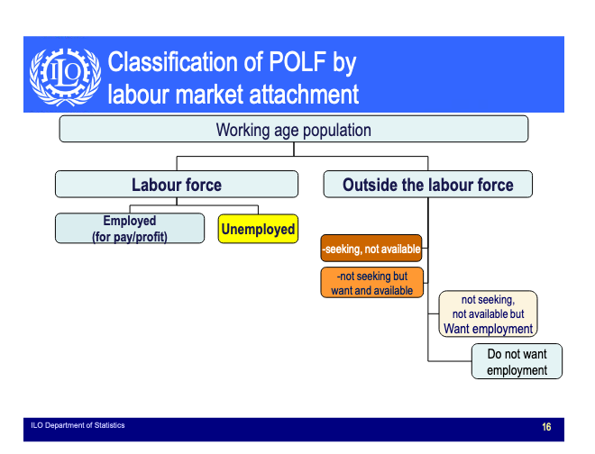
Series | Definition
LF underutilization | LU4 represents the share of the extended labour force that are in unemployment, time-related underemployment or the potential labour force.

Chart
Labor Underutilization by Age % of Working-age Population - EU15 and US - 2022
 | EU15 | USA
Age (10-year bands): 15-24 | 32.23 | 15.37
Age (10-year bands): 25-34 | 15.75 | 7.64
Age (10-year bands): 35-44 | 12.07 | 6.08
Age (10-year bands): 45-54 | 11.35 | 5.49
Age (10-year bands): 55-64 | 12.26 | 5.54
Age (10-year bands): 65+ | 12.90 | 6.42

Labor Underutilization by Age Female - % of Working-age Population - EU15 and US - 2022
 | EU15 | USA
Age (10-year bands): 15-24 | 33.99 | 14.09
Age (10-year bands): 25-34 | 17.89 | 7.59
Age (10-year bands): 35-44 | 15.03 | 6.14
Age (10-year bands): 45-54 | 13.92 | 5.34
Age (10-year bands): 55-64 | 13.77 | 5.28
Age (10-year bands): 65+ | 16.37 | 6.34

Labor Underutilization by Age Male - % of Working-age Population - EU15 and US - 2022
 | EU15 | USA
Age (10-year bands): 15-24 | 30.76 | 16.55
Age (10-year bands): 25-34 | 13.89 | 7.68
Age (10-year bands): 35-44 | 9.53 | 6.03
Age (10-year bands): 45-54 | 9.20 | 5.63
Age (10-year bands): 55-64 | 11.33 | 5.78
Age (10-year bands): 65+ | 11.94 | 6.48

